WOMEN
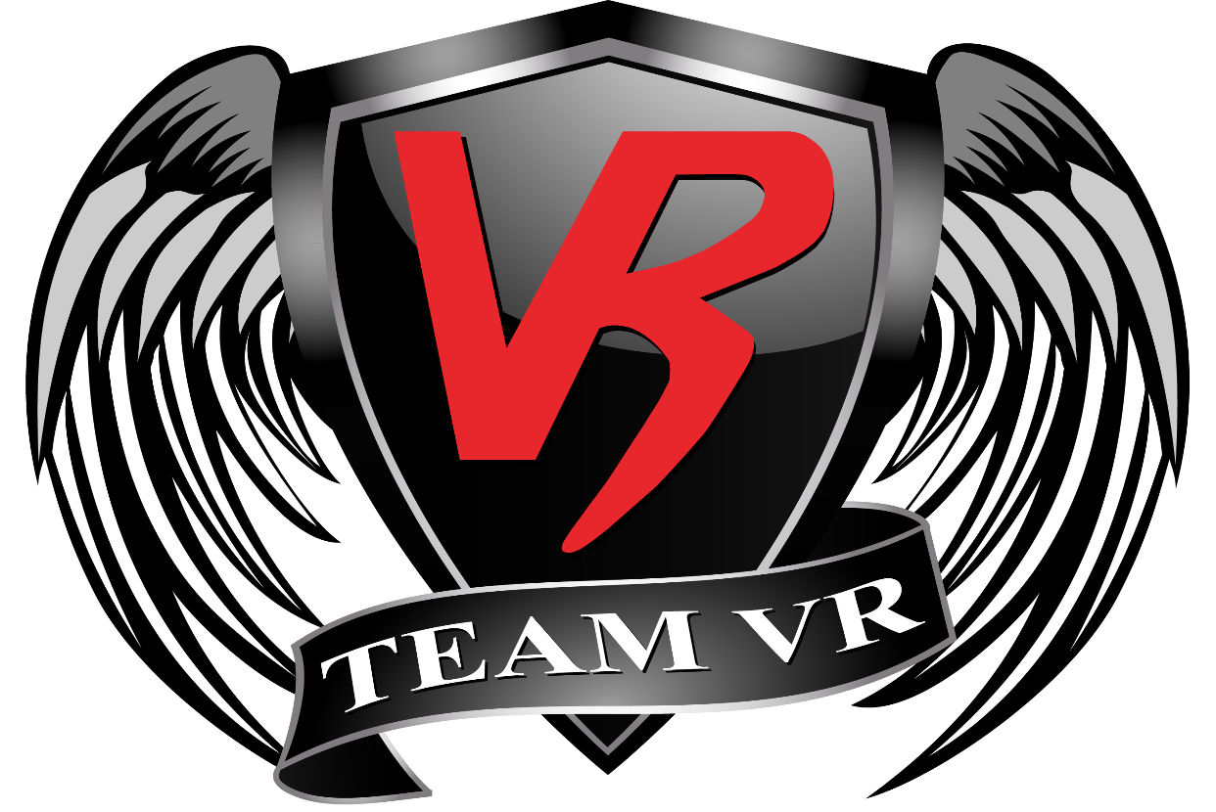
Estimation of Body-fat Percentage
Height (in inches)
Neck Circumference (in inches) - At narrowest point
Hip Measurement (in inches)
Waist Circumference (in inches) - Around navel, relaxed.
Approximate Body-fat Percentage | #NUM!

This calculation wins out on convenience and cost and is what I’d recommend for most people. (See below for the other methods)
It will work well for the majority of people, but you could be the exception to the rule.
If you believe that you have a better measurement from elsewhere then by all means, please use that. Remember, this is not being suggested a means of tracking your progress but just a start point for which to base calculations, which will need to be adjusted based on real world progress anyway.
Here are some reasons for inaccuracies that may be worth considering:
1.) Measurement error
2.) Comparison with some other measurement device that was also inaccurate.
3.) You are the relatively rare exception to the people that it will work well for.
Here’s a rundown of the methods we typically have available to us for measuring body fat, from most to least accurate based on the standard error of estimate (SEE) – which basically means how accurate they are for most people:
Die in a non-too-messy way that requires an autopsy.
DEXA scan, ~1-2% (Expensive, inconvenient.)
The US Navy Equation based on body measurements below. ~3% (Convenient, free.)
BodPod / Underwater weighing, ~3% (Expensive, inconvenient.)
Body-fat caliper measurements. Skilled practitioner, ~3%. Non-skilled practitioner ~5%.
BIA machines (Omron, Tanita), usually found in commercial gyms, 5-8% (Best avoided.)

MEN
Estimation of Body-fat Percentage
Height (in inches)
Neck Circumference (in inches) - At narrowest point
Waist Circumference (in inches) - Around navel, relaxed.
Approximate Body-fat Percentage | #NUM!

This calculation wins out on convenience and cost and is what I’d recommend for most people. (See below for the other methods)
It will work well for the majority of people, but you could be the exception to the rule.
If you believe that you have a better measurement from elsewhere then by all means, please use that. Remember, this is not being suggested a means of tracking your progress but just a start point for which to base calculations, which will need to be adjusted based on real world progress anyway.
Here are some reasons for inaccuracies that may be worth considering:
1.) Measurement error
2.) Comparison with some other measurement device that was also inaccurate.
3.) You are the relatively rare exception to the people that it will work well for.
Here’s a rundown of the methods we typically have available to us for measuring body fat, from most to least accurate based on the standard error of estimate (SEE) – which basically means how accurate they are for most people:
Die in a non-too-messy way that requires an autopsy.
DEXA scan, ~1-2% (Expensive, inconvenient.)
The US Navy Equation based on body measurements below. ~3% (Convenient, free.)
BodPod / Underwater weighing, ~3% (Expensive, inconvenient.)
Body-fat caliper measurements. Skilled practitioner, ~3%. Non-skilled practitioner ~5%.
BIA machines (Omron, Tanita), usually found in commercial gyms, 5-8% (Best avoided.)

